graph
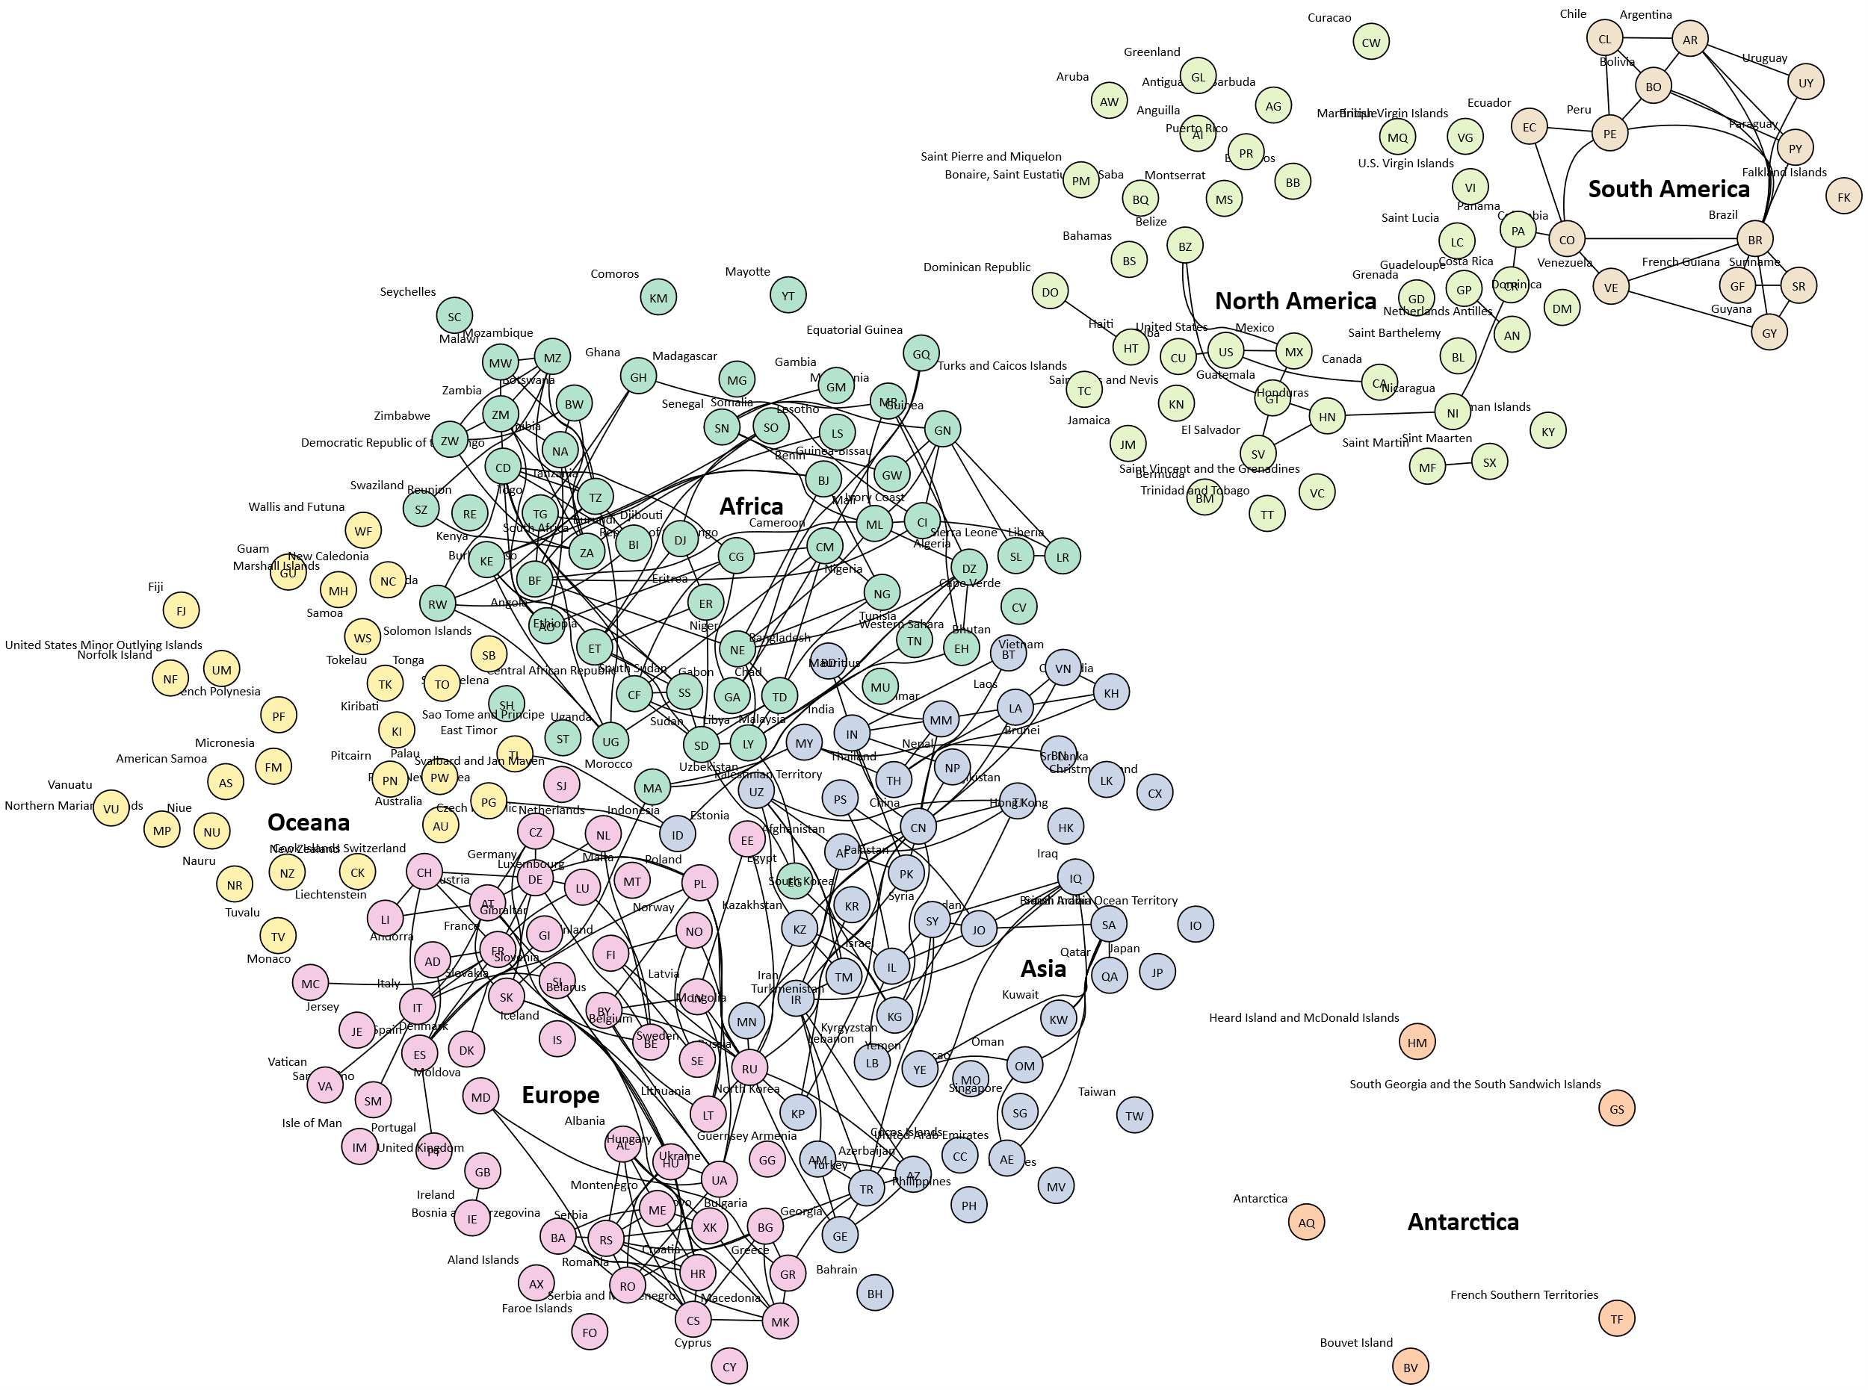

styles
Style Name | Description | Format | Properties | Style Type | All Styles | No Clusters | No Edges
node |  |  |  | node | yes | yes | yes
edge |  |  |  | edge | yes | yes | no
subgraph-open |  |  |  | subgraph-open | yes | no | yes | 
subgraph-close |  |  |  | subgraph-close | yes | no | yes
keyword |  |  |  | keyword | yes | yes | yes
native |  |  |  | native | yes | yes | yes
Country |  | shape=circle height="0.375" width="0.375" fixedsize=shape fillcolor=Bisque fontname=Calibri fontsize=10 style=filled |  | node | yes | yes | yes
Continent |  | shape=plaintext fontname="Calibri Bold" fontsize=20 |  | node | yes | yes | yes
ContinentToCountry |  | color=invis fontcolor=invis |  | edge | yes | yes | no
Africa |  | shape=circle height="0.375" width="0.375" fixedsize=shape colorscheme=pastel27 fillcolor=1 fontname=Calibri fontsize=10 style=filled |  | node | yes | yes | yes
Antarctica |  | shape=circle height="0.375" width="0.375" fixedsize=shape colorscheme=pastel27 fillcolor=2 fontname=Calibri fontsize=10 style=filled |  | node | yes | yes | yes
Asia |  | shape=circle height="0.375" width="0.375" fixedsize=shape colorscheme=pastel27 fillcolor=3 fontname=Calibri fontsize=10 style=filled |  | node | yes | yes | yes
Europe |  | shape=circle height="0.375" width="0.375" fixedsize=shape colorscheme=pastel27 fillcolor=4 fontname=Calibri fontsize=10 style=filled |  | node | yes | yes | yes
North America |  | shape=circle height="0.375" width="0.375" fixedsize=shape colorscheme=pastel27 fillcolor=5 fontname=Calibri fontsize=10 style=filled |  | node | yes | yes | yes
Oceana |  | shape=circle height="0.375" width="0.375" fixedsize=shape colorscheme=pastel27 fillcolor=6 fontname=Calibri fontsize=10 style=filled |  | node | yes | yes | yes
South America |  | shape=circle height="0.375" width="0.375" fixedsize=shape colorscheme=pastel27 fillcolor=7 fontname=Calibri fontsize=10 style=filled |  | node | yes | yes | yes

sql
 | SQL SELECT Statement | Excel data file (.xlsx, .xlsm, .xlsb, or .xls only) | Status

# | Specify the workbook containing the data |  | SKIPPED
 | SET DATA FILE | countries.xlsx | SUCCESS

# | Create a node for each country |  | SKIPPED
 | SELECT [ISO] as [Item], [ISO] as [Label], [Country] as [External Label], [Continent] as [Style Name] FROM [countries$] WHERE [ISO] IS NOT NULL ORDER BY [Country] ASC |  | SUCCESS
✎
# | Create a node for each continent |  | SKIPPED
 | SELECT DISTINCT [Continent] as [Item], [Continent] as [Label], "Continent" as [Style Name] FROM [countries$] ORDER BY [Continent] ASC |  | SUCCESS

# | Create an edge between neighboring countries |  | SKIPPED
 | SELECT [ISO] as [Item], [Neighbors] as [Related Item] FROM [countries$] WHERE [Neighbors] IS NOT NULL |  | SUCCESS

# | Create an edge between each country and its parent continent |  | SKIPPED
 | SELECT [Continent] as [Item], [ISO] as [Related Item], "ContinentToCountry" as [Style Name] FROM [countries$] WHERE [ISO] IS NOT NULL |  | SUCCESS

# | ##################################################################################################### |  | SKIPPED
# | Quick Help |  | SKIPPED
# | ##################################################################################################### |  | SKIPPED
# |  |  | SKIPPED
# | Excel SQL Syntax |  | SKIPPED
# | https://github.com/jjlong150/AceSqlForExcel |  | SKIPPED
# |  |  | SKIPPED
# | Clear the 'data' worksheet |  | SKIPPED
# | RESET |  | SKIPPED
# |  |  | SKIPPED
# | Specify the workbook containing the data |  | SKIPPED
# | SET DATA FILE | Put workbook name here | SKIPPED
# |  |  | SKIPPED
# | Create the edges |  | SKIPPED
# | SELECT [From Column] AS [Item], [To Column] AS [Related Item] FROM [Worksheet Name$] |  | SKIPPED
# | Create the nodes |  | SKIPPED
# | SELECT [Node Id Column] AS [Item], [Node Label Column] AS [Label], [Node Style Column] AS [Style Name] FROM [Worksheet Name$] WHERE ... |  | SKIPPED
# | Create edges which chain a set of nodes |  | SKIPPED
# | SELECT [Node Id Column] AS [ITEM], TRUE AS [CREATE EDGES] FROM [Worksheet Name$] WHERE ... |  | SKIPPED
# | Create a subgraph, with constraints set to rank specified as either 'same' | 'min' | 'source' | 'max' | 'sink'. |  | SKIPPED
# | Rank constraints on the nodes in a subgraph. If rank="same", all nodes are placed on the same rank. If rank="min", all nodes are placed on the minimum rank. If rank="source", all nodes are placed on the minimum rank, and the only nodes on the minimum rank belong to some subgraph whose rank attribute is "source" or "min". Analogous criteria hold for rank="max" and rank="sink". (Note: the minimum rank is topmost or leftmost, and the maximum rank is bottommost or rightmost.) |  | SKIPPED
# | SELECT [Node Id Column] AS [ITEM], TRUE AS [CREATE RANK], 'same' AS [RANK] FROM [Worksheet Name$] WHERE ... |  | SKIPPED
# | Split text for labels at first blank after 10 characters |  | SKIPPED
# | SELECT [Label Column] AS [Label], 10 AS [SPLIT LENGTH], ... |  | SKIPPED
# | Specify the line ending (\l, \n, \r, | etc.) to use when splitting a label |  | SKIPPED
# | SELECT [Label Column] AS [Label], 10 AS [SPLIT LENGTH], '\r' AS [LINE ENDING], ... |  | SKIPPED
# | Group nodes into a cluster |  | SKIPPED
# | SELECT [Cluster Id Column] AS [CLUSTER], [Cluster Label Column] AS [CLUSTER LABEL], [Cluster Style Name Column] AS [CLUSTER STYLE NAME], [Cluster Attributes] AS [CLUSTER ATTRIBUTES], [Cluster Tooltip Column] AS [CLUSTER TOOLTIP], [Node Id Column] AS [Item], [Node Label Column] AS [Label], [Node Style Name Column] AS [Style Name], ... |  | SKIPPED
# | Group nodes into two level clusters |  | SKIPPED
# | SELECT [Outer Cluster Id Column] AS [CLUSTER], [Outer Cluster Label Column] AS [CLUSTER LABEL], [Outer Cluster Style Name Column] AS [CLUSTER STYLE NAME], [Outer Cluster Attributes] AS [CLUSTER ATTRIBUTES], [Outer Cluster Tooltip Column] AS [CLUSTER TOOLTIP], [Inner Cluster Id Column] AS [SUBCLUSTER], [Inner Cluster Label Column] AS [SUBCLUSTER LABEL], [Inner Cluster Style Name Column] AS [SUBCLUSTER STYLE NAME], [Inner Cluster Attributes] AS [SUBCLUSTER ATTRIBUTES], [Inner Cluster Tooltip Column] AS [SUBCLUSTER TOOLTIP], [Node Id Column] AS [Item], [Node Label Column] AS [Label], [Node Style Name Column] AS [Style Name], ... |  | SKIPPED
# | Loop count substitution strings (useful in sortv= attributes, style names, and labels). %clc% = Cluster count %scc% = Subcluster count %rsc% = Record set count |  | SKIPPED
# | SELECT 'sortv=%clc%' AS [CLUSTER ATTRIBUTES], 'Border %clc% ' AS [CLUSTER STYLE NAME], 'sortv=%scc%' AS [SUBCLUSTER ATTRIBUTES], 'sortv=%rsc%' AS [Attributes], ... FROM [Worksheet Name$] WHERE ... ORDER BY [Outer Cluster Label Column] ASC, [Inner Cluster Label Column] ASC, [Node Label Column] ASC |  | SKIPPED
# | Show the graph immediately after all SQL statements processed |  | SKIPPED
# | PREVIEW [ AS ( DIRECTED | UNDIRECTED ) GRAPH ] |  | SKIPPED
# |  |  | SKIPPED
# | Publish graphs as files |  | SKIPPED
# | PUBLISH [ ALL VIEWS ] [ AS ( DIRECTED | UNDIRECTED ) GRAPH ] [ file prefix ] |  | SKIPPED
# |  |  | SKIPPED

# | Graph it, and display it in the workbook |  | SKIPPED
# | PREVIEW AS UNDIRECTED GRAPH |  | SKIPPED

